Weekly Average
Team Name + Nickname |  |  | Average from: |  | 2020-06-15 |  | - |  | 2020-06-19

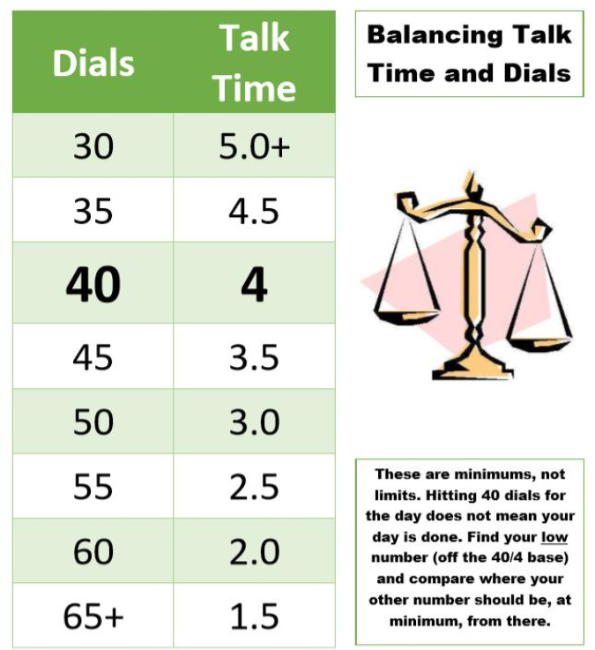
 |  |  | On-Queue | Inbound | Dials |  |  | Hours |  |  | Lives Changed
 | Days Worked: | Enrollment Counselor: |  |  |  | Needed Based on Hours |  |  | Needed Based on Dials | Weekly Dials & Hours % To Goal | Per Day | Week to date | Goal:
 | 5.00 | EC 1 | 4:19:40 | 5.4 | 31 | 47 |  | 3:19:07 | 4:56:24 | 66% | 2.6 | 13 |  | > | 130%
 | 4.00 | EC 2 | 4:47:58 | 6.0 | 33 | 47 |  | 3:20:28 | 4:40:30 | 71% | 2.8 | 11 |  | >= | 100%
 | 2.75 | EC 3 | 6:27:27 | 6.8 | 13 | 49 |  | 3:04:09 | 5:00:00 | 44% | 2.2 | 6 |  | < | 100%
 | 3.00 | EC 4 | 4:05:23 | 4.7 | 17 | 65 |  | 1:22:01 | 5:00:00 | 26% | 1.7 | 5 |  | < | 70%
 | 5.50 | EC 5 | 5:33:20 | 5.0 | 47 | 47 |  | 3:16:43 | 3:21:00 | 98% | 1.6 | 9 |  | < | 50%
 | 4.00 | EC 6 | 4:02:23 | 7.5 | 40 | 31 |  | 4:56:36 | 4:03:00 | 126% | 1.0 | 4 |  | < | 30%
 | 5.00 | EC 7 | 4:11:03 | 6.8 | 28 | 54 |  | 2:34:32 | 5:00:00 | 51% | 2.0 | 10
 | 5.00 | EC 8 | 5:00:05 | 5.4 | 29 | 59 |  | 2:07:01 | 5:00:00 | 46% | 2.2 | 11
 | 4.25 | EC 9 | 4:33:33 | 6.4 | 32 | 48 |  | 3:13:44 | 4:45:36 | 68% | 2.6 | 11
 | 5.00 | EC 10 | 4:04:31 | 7.4 | 32 | 42 |  | 3:46:50 | 4:45:36 | 78% | 2.6 | 13
 | 1.00 | EC 11 | 3:00:46 | 5.0 | 13 | 45 |  | 3:27:09 | 5:00:00 | 49% | 3.0 | 3
 | 4.00 | EC 12 | 4:02:23 | 4.0 | 46 | 54 |  | 2:37:59 | 3:25:30 | 81% | 0.8 | 3
 | 5.00 | EC 13 | 4:34:23 | 5.6 | 33 | 39 |  | 4:04:39 | 4:44:24 | 85% | 2.4 | 12
 | 5.00 | EC 14 | 3:50:31 | 5.0 | 27 | 44 |  | 3:35:47 | 5:00:00 | 67% | 1.6 | 8
 | 4.75 | EC 15 | 4:32:11 | 6.8 | 36 | 39 |  | 4:03:06 | 4:21:36 | 93% | 2.3 | 11

 |  | Team Average: | 4:28:22 | 1900-01-05 20:23:28 | 30 | 47 |  | 3:15:19 | 4:36:14 | 70% | 2.1 | 130

